Annexure
 |  | Application Security Assessment - Annexure

Malicious file upload A.1

We are able to upload executables like exe, batch files etc.
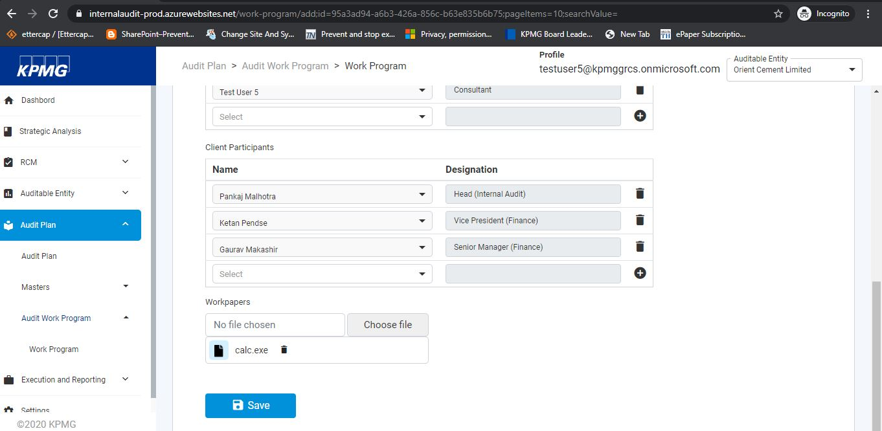

Vulnerable Bootstrap A.2

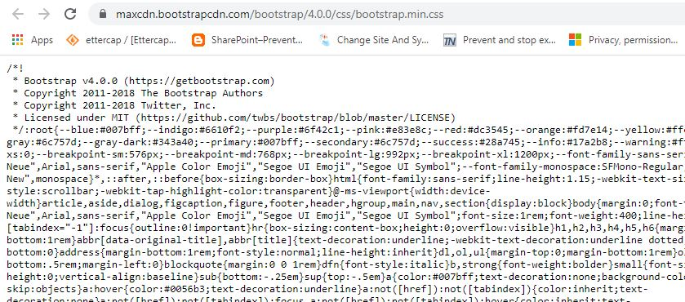
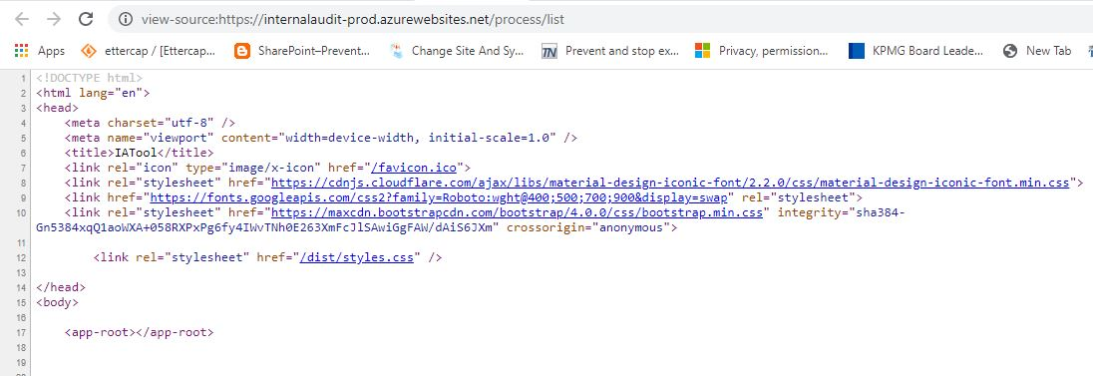

CDSI A.3

Scripts from Cross-Domain are added.

 | Clickjacking A.4

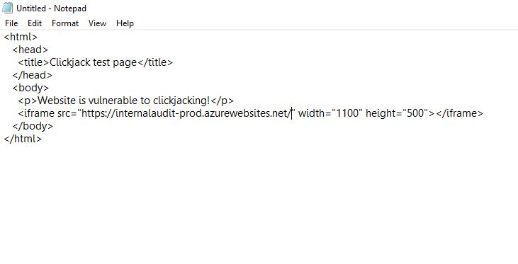
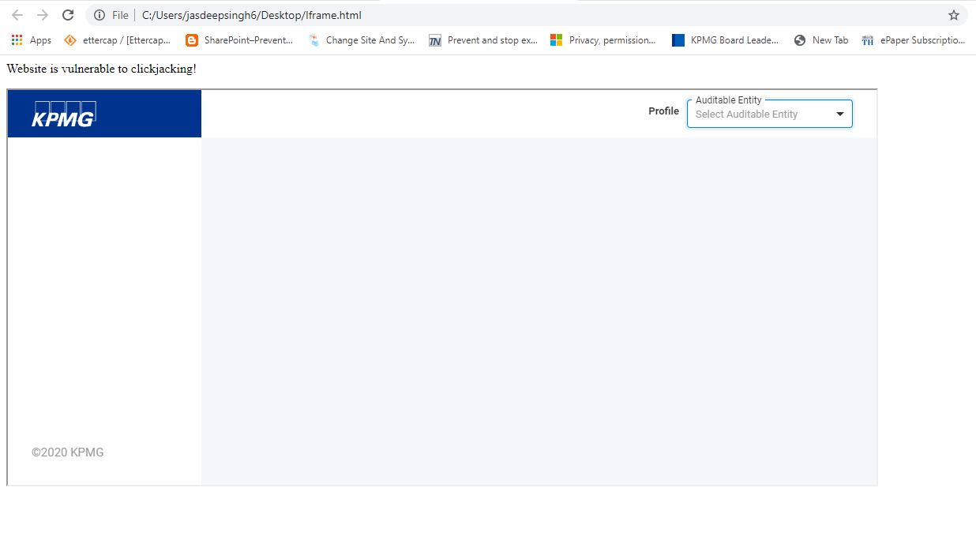

Missing Security Headers A.5

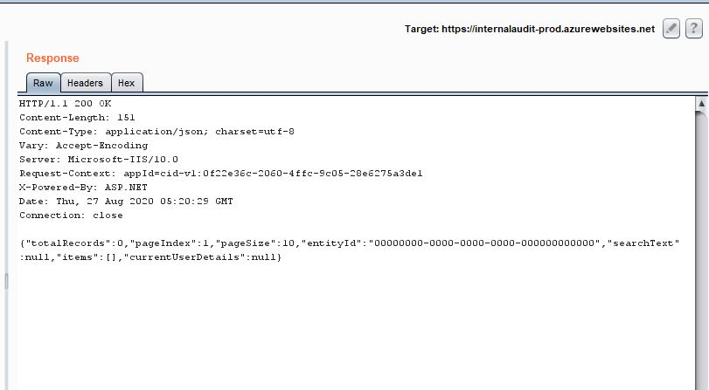
The Security Headers are not present in the response

Information Disclosure A.6

IIS version getting revealed

